Application
 |  |  |  | 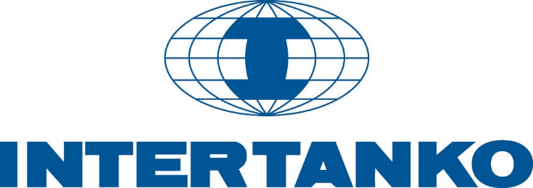
The International Association of Independent Tanker Owners
FOR SAFE TRANSPORT, CLEANER SEAS AND FREE COMPETITION
Membership Application Form

INTERTANKO membership is open to independent owners of tank vessels as defined in the Articles of Association (§ 1) a)).
Government controlled companies, or companies owned by oil companies may be eligible for Associate Membership.

 | Name of Applicant:
 | Address
 | Telephone: |  |  |  |  |  |  | Organisation number:
 | Email address: |  |  |  |  |  |  | WWW address:
 | Contact person: |  |  |  |  |  |  | Position:
 | Billing contact |  |  |  |  |  |  | Billing email:
 | National Shipping Assoc. (if applicable):

All tank vessels owned by or managed by an INTERTANKO member or membership applicant, including tank vessels owned/managed by
affiliated and associated companies, shall be entered with INTERTANKO.

Members are required to comply with the INTERTANKO Membership Criteria.
Membership is governed by the INTERTANKO Articles of Association, and any amendments thereto.
Please click here for : | Membership fee | Membership Criteria |  |  | INTERTANKO Articles of Association |  |  |  |  | Terms of Business

 |  |  |  |  |  |  | Date:
(Please print name)

INTERTANKO's Freight and Demurrage Information Pool is an additional service offered to members at USD 1,440 per annum
for a member's entire fleet.Tick here to join: |  |  |  |  |  |  | Contact person for FDIP:
List of applicant’s tankers:
Ship name | IMO No | GT | DWT | Flag | Built | Tanker Type | Class | P&I Club | Owner | Technical Manager
 |  |  |  |  |  | Select | Select | Select

Total |  | 0 | 0
Total fee (USD) |  |  | 6,585
Please mail this application to the INTERTANKO London office or send by e-mail to: london@intertanko.com
INTERTANKO St Clare House, 30-33 Minories, London EC3N 1DD WWW.INTERTANKO.COM
Per dwt fee: |  | 0.0095
Per tanker fee: |  | 1880
Minimum fee |  | 6585
Maximum fee |  | 79950

